Project4173
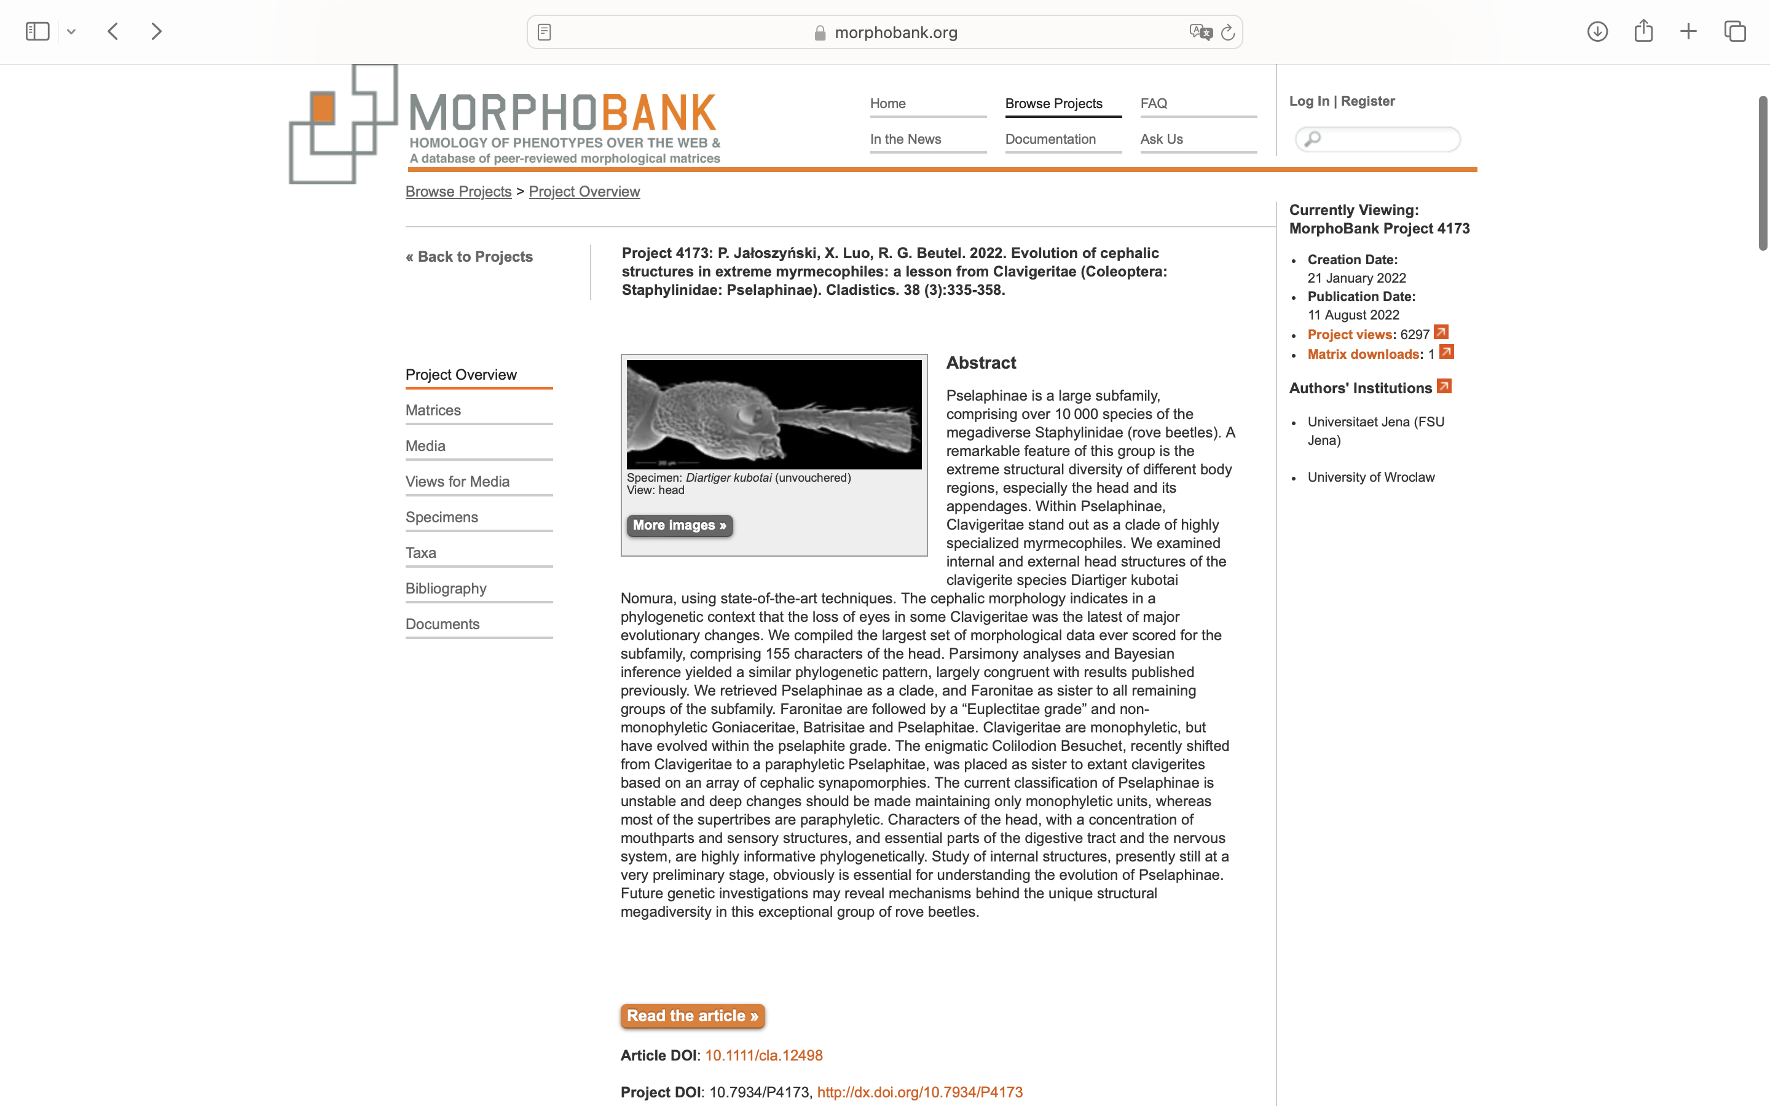
Charlabels | Character Pattern | Unseen States
[1] 'Shape of anterior (exposed) portion of head capsule (if males have monstrous modifications, this refers to females)' | Transformational | YES
[2] 'Highest site of head in lateral view (if males have monstrous modifications, this refers to females)' | Transformational | YES
[3] 'Setiferous papillae (tuberculate or digitiform) on entire head' | Neomorphic | NO
[4] 'Modified setae on dorsum of head' | NT?;0=0-;1=11;2=12;3=13;4=14
[5] 'Modified setae on venter of head' | NT?;0=0-;1=11;2=12;3=13;4=14;5=15;6=16;7=17
[6] 'Ventral abruptly clavate or pin-headed setae' | Transformational | YES
[7] 'Hyaline setae on ventral post-submental region of head' | Transformational | YES
[8] 'Dense patch of long curved setae on each temple and/or postgena directed posterad' | Neomorphic | NO
[9] 'Patch of hyaline setae on each temple and/or postgena, so dense that completely obscuring cuticle' | Neomorphic | NO
[10] 'Sparse, conspicously long and thin unmodified strongly erect setae on postgena directed ventrad and on tempora directed laterad' | Neomorphic | NO
[11] 'Neck region' | Neomorphic | NO
[12] 'Occipital constriction' | NT?;0=11;1=12;2=0-
[13] 'Deep transverse cavity between vertex and occiput' | Neomorphic | NO
[14] 'Width of vertex' | Transformational | YES
[15] 'Posterior margin of vertex' | Transformational | YES
[16] 'Paired tuffts of dense and long setae on posterior margin of vertex' | Neomorphic | NO
[17] 'Posteromedian subtriangular impression on vertex projecting anterad' | Neomorphic | NO
[18] 'Median longitudinal carina in posterior region of vertex and/or on occiput (in some cases discernible only as a minute wrinkle just behind vertex)' | Neomorphic | NO
[19] 'Anterior tooth of median longitudinal carina on occiput' | Neomorphic | NO
[20] 'Median longitudinal groove on vertex' | Neomorphic | NO
[21] 'Frons and vertex' | Transformational | NO
[22] 'Tempora' | NT?;0=11;1=12;2=13;3=14;4=0-
[23] 'Dorsal tentorial pits' | Neomorphic | NO
[24] 'Dorsal tentorial pits - 2' | Neomorphic | NO
[25] 'Placement of dorsal tentorial pits' | Transformational | YES
[26] 'Modified setae filling dorsal tentorial pits' | Neomorphic | NO
[27] 'Pair of ocelli on vertex' | Neomorphic | NO
[28] 'Compound eyes (if present)' | Transformational | NO
[29] 'Median point of eye' | Transformational | NO
[30] 'Median line of eye in lateral view (if males have modified heads, this refers to females)' | Transformational | NO
[31] 'Dorsal margin of dorsally situated eye' | Transformational | YES
[32] 'Median inversely U- or V-shaped region delimited by sulcus or in a step-wise manner' | Neomorphic | NO
[33] 'Pair of lateral longitudinal (usually curved) fine vertexal carinae' | Neomorphic | NO
[34] 'Median frontal pit between eyes' | Neomorphic | NO
[35] 'Pair of submedian pits between supraantennal tubercles' | Neomorphic | NO
[36] 'Lateral pit just behind each supraantennal tubercle' | Neomorphic | NO
[37] 'Lateral pit or notch on posterior region of each supraantennal tubercle' | Neomorphic | NO
[38] 'Sharply delimited, circular unpaired median pit on frons ["frontal fovea"]' | Neomorphic | NO
[39] 'Modified setae filling frontal fovea' | Neomorphic | NO
[40] 'Median longitidinal frontal furrow' | Neomorphic | NO
[41] 'Frontal rostrum' | NT?;0=11;1=12;2=0-
[42] 'Length of frontal rostrum' | Transformational | YES
[43] 'Posterior constriction of frontal rostrum' | Neomorphic | NO
[44] 'Supraantennal tubercles' | NT?;0=11;1=12;2=0-
[45] 'Dorsal supraantennal ridge extending from anterodorsal margin of eye and running anteromesad' | Neomorphic | NO
[46] 'Supraocular extension of supraantennal ridge running along mesal margin of eye' | Neomorphic | NO
[47] 'Longitudinal supraocular ridge distant from eye, running between supraantennal tubercle and posterior margin of vertex' | Neomorphic | NO
[48] 'Deep round dorsolateral emargination separating supraantennal tubercles from eye' | Neomorphic | NO
[49] 'C-shaped sulcus filled with modified setae encircling posteriorly antennal fossa' | Neomorphic | NO
[50] 'Crescent-shaped or semicricular patch of dense hyaline setae just posteroventrad antennal insertion' | Neomorphic | NO
[51] 'Densely setose lateral circular pit at anterior margin of eye' | Neomorphic | NO
[52] 'Antennal insertions' | Transformational | NO
[53] 'Antennal insertions close to sides of head' | Transformational | YES
[54] 'Antennal fossae' | Transformational | YES
[55] 'Clypeus' | Neomorphic | NO
[56] 'Sclerotized clypeus' | Transformational | YES
[57] 'Supraocular carina separated from supraantennal tubercle and running along dorsomesal margin of eye, posteriorly extending onto vertex' | Neomorphic | NO
[58] 'Lateral postocular subhorizontal carina near or beneath middle of eye' | Neomorphic | NO
[59] 'Ocular-mandibular carina' | Neomorphic | NO
[60] 'Orientation of ocular-mandibular carina' | Transformational | YES
[61] 'Large, strongly convex and well-defined round or oval lateral clypeal projection (bulge) beaneath antennal fossa and in front of eye' | Neomorphic | NO
[62] 'Elongate buccal (lateral postmandibular - subantennal) bulge below antennal fossa' | Neomorphic | NO
[63] 'Dorsal margin of buccal bulge beneath antennal fossa' | Transformational | YES
[64] 'Concave dorsal margin of buccal bulge' | Transformational | YES
[65] 'Lateroventral subtriangular angulate lobe on gena' | Neomorphic | NO
[66] 'Postgenal region' | Neomorphic | NO
[67] 'Deep lateral palpal groove or impression to hide distal portion of maxillary palps' | Neomorphic | NO
[68] 'Smooth and broad antennal sulcus extending obliquely from lateral subantennal region to dorsal tentorial pit (or a place where tentorial pit would be, if indistinct)' | Neomorphic | NO
[69] 'Narrow, deep and horizontal antennal sulcus below eye, extending onto prothorax' | Neomorphic | NO
[70] 'Smooth antennal sulcus extending obliquely from lateral subantennal region to posteroventral margin of eye, not extending onto prothorax' | Neomorphic | NO
[71] 'Anterolateral cavities in oral fossa to hide maxillary palps' | Neomorphic | NO
[72] 'Ventrolateral peristomal projection directed anterad' | Neomorphic | NO
[73] 'Deep ventral transverse groove demarcating neck region, containing posterior tentorial pits, sharply delimited and filled densely with modified setae' | Neomorphic | NO
[74] 'Transverse, arcuate (posteriorly convex) row of three pairs of large, alveolate pits on genae, postgenae and gular plate' | Neomorphic | NO
[75] 'Deep, smooth, subrectangular median gular impression with rised lateral margins between posterior tentorial pits and posterior gular plate (on transverse impression demarcating neck region ventrally)' | Neomorphic | NO
[76] 'Cervical sclerites' | Neomorphic | NO
[77] 'Gular sutures' | Neomorphic | NO
[78] 'Anterior margin of posterior (post-tentorial) gular plate' | Neomorphic | NO
[79] 'Elongate gular projection between posterior tentorial pits and neck region' | Neomorphic | NO
[80] 'Placement of posterior tentorial pits' | Transformational | YES
[81] 'Shape of posterior tentorial pits' | Transformational | YES
[82] 'Posterior tentorial pits' | Transformational | NO
[83] 'Transverse sulcus connecting posterior tentorial pits' | Neomorphic | NO
[84] 'Cardiform, well-defined impression surrounding posterior tentorial pits' | Neomorphic | NO
[85] 'Median ventral elevation between anterior submental margin and posterior tentorial pits ["gular carina"]' | Neomorphic | NO
[86] 'Shape of median ventral elevation between anterior submental margin and posterior tentorial pits ["gular carina"]' | Transformational | YES
[87] 'Median subtriangular, well-defined impression directed posterad at posterior margin of submentum (in place of "gular carina")' | Neomorphic | NO
[88] 'Smooth longitudinal median impression between posterior tentorial pits and submentum, demarcated laterally by carinae' | Neomorphic | NO
[89] 'Pair of large oval impressions between submentum and posterior tentorial pits' | Neomorphic | NO
[90] 'Infraocular carina running along anteroventral margin of eye' | Neomorphic | NO
[91] 'Oblique or nearly longitudinal ventral carina running from cardo toward anteroventral margin of eye' | Neomorphic | NO
[92] 'Longitudinal postgenal carina' | Neomorphic | NO
[93] 'Submental - anterior gular region' | Transformational | NO
[94] 'Conspicuously large, oval and strongly raised bulge on submental region sharply delimited laterally and posteriorly and covered with different setae (or asetose) than post-tentorial gula in front of neck region' | Neomorphic | NO
[95] 'Short submental region just behind base of mentum and peristomal regions' | Transformational | NO
[96] 'Mentum and submentum' | Transformational | YES
[97] 'Shape of mentum' | Transformational | YES
[98] 'Length of mentum (if modfiied in males, as in Tricaleda, then this refers to females)' | Transformational | YES
[99] 'Pair of large alveolate anteroventral impressions on mentum' | Neomorphic | NO
[100] 'Irregular, transverse rugae on mentum' | Neomorphic | NO
[101] 'Anterior mental margin' | Transformational | YES
[102] 'Prementum' | Neomorphic | NO
[103] 'Labial palps' | Transformational | NO
[104] 'Labial palpomere 1' | Transformational | YES
[105] 'Labial palpomere 2' | Transformational | YES
[106] 'Insertion of labial palpomere 3' | Transformational | YES
[107] 'Shape of labial palpomere 3' | Transformational | YES
[108] 'Long, curved subapical lateral (external) seta on labial palpomere 2' | Neomorphic | NO
[109] 'Cardo' | Transformational | YES
[110] 'Maxillary palpifer' | Transformational | YES
[111] 'Basistipes' | Transformational | YES
[112] 'Maxillary palp' | Transformational | YES
[113] 'Length of maxillary palps' | Transformational | YES
[114] 'Reduced, one-segmented maxillary palp' | Transformational | YES
[115] 'Short, spatulate setae on maxillary palpomeres 2-4' | Neomorphic | NO
[116] 'Patches of dense, recumbent brachyplumose setae on maxillary palpomeres 3 and 4' | Neomorphic | NO
[117] 'Maxillary palpomere 1' | Transformational | YES
[118] 'Proximal pedunculate portion of maxillary palpomere 2' | Transformational | NO
[119] 'Shape of maxillary palpomere 2' | Transformational | YES
[120] 'Rod-like or subconical projection with dense apical group of tiny projections on external margin of maxillary palpomere 2' | Neomorphic | NO
[121] 'Distal (brodened) region of maxillary palpomere 2' | Transformational | YES
[122] 'Maxillary palpomere 3' | Transformational | YES
[123] 'Rod-like or subconical projection with dense apical group of tiny projections on external margin of maxillary palpomere 3' | Neomorphic | NO
[124] 'Maxillary palpomere 4' | Transformational | YES
[125] 'Length of approximately fusiform maxillary palpomere 4' | Transformational | YES
[126] 'Cross-section of fusiform maxillary palpomere 4' | Transformational | YES
[127] 'Base of approximately fusiform maxillary palpomere 4' | Transformational | YES
[128] 'Sides of approximately fusiform maxillary palpomere 4' | Transformational | YES
[129] 'Rod-like or subconical projection with apical group of digitiform sensilla on external margin of maxillary palpomere 4' | Neomorphic | NO
[130] 'Dense cuticular projections with pores on maxillary palpomere 4' | Neomorphic | NO
[131] 'Apical sensory appendage of maxillary palp' | Neomorphic | NO
[132] 'Shape of apical sensory appendage of maxillary palp' | Transformational | YES
[133] 'Placement of sensory apendage of maxillary palp' | Transformational | YES
[134] 'Shape of galea' | Transformational | YES
[135] 'Slender galea' | Transformational | YES
[136] 'Setal fringes of lacinia and galea' | Transformational | YES
[137] 'Mandibles' | Transformational | YES
[138] 'Mesal mandibular margin' | Neomorphic | NO
[139] 'Lateral or dorsolateral impression, pit and/or groove in mandible (to release glandular secretion)' | Neomorphic | NO
[140] 'Prostheca with slender microtrichia' | Neomorphic | NO
[141] 'Mandibular mola' | Neomorphic | NO
[142] 'Labrum' | Transformational | YES
[143] 'Dorsal or anterodorsal surface of labrum' | Neomorphic | NO
[144] 'Subtrapezoidal labrum' | Neomorphic | NO
[145] 'Lentiform labrum' | Neomorphic | NO
[146] 'Approximate median peg-like sensilla on anterior labral margin' | NT?;0=11;1=12;2=0-
[147] 'Number of antennomeres' | Transformational | YES
[148] 'Basal portion of scape' | Transformational | YES
[149] 'Distal portion of scape' | Transformational | YES
[150] 'Shape of distal portion of scape' | Transformational | YES
[151] 'Pedicel' | Transformational | YES
[152] 'Base of pedicel' | Neomorphic | NO
[153] 'Cross-section of flagellomeres' | Transformational | YES
[154] 'Predominating setae on flagellomeres' | Transformational | YES
[155] 'Terminal antennomere' | Transformational | YES

